Lists
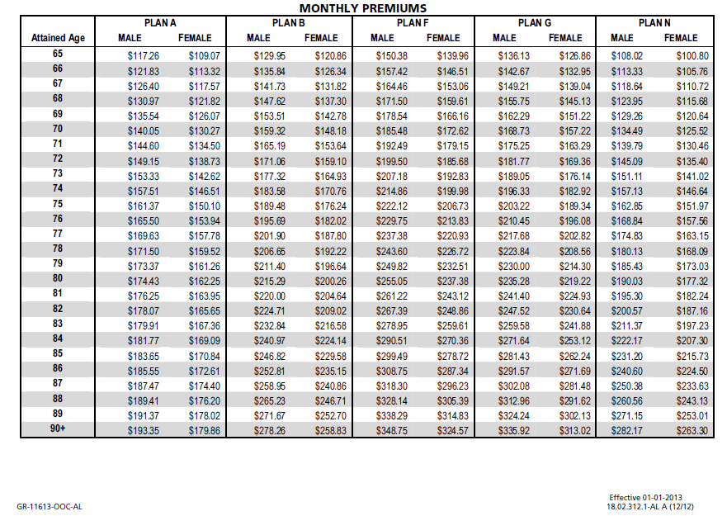
Prefix | Suffix | States | Height in Ft/In | Max Weight-Smoker | Max Weight-Non Smoker
Adm. | CPA | ALABAMA | 4'10" | 181 | 210
Col. | DDS | ALASKA | 4'11" | 188 | 217
Cpl. | DVM | ARIZONA | 5 ’0” | 194 | 225
Cpt. | EdD | ARKANSAS | 5 ’1” | 201 | 232
Dr. | Esq | CALIFORNIA | 5’ 2” | 207 | 240
Gen. | II | COLORADO | 5’ 3” | 214 | 248
Lt. | III | CONNECTICUT | 5’ 4” | 221 | 256
Mr. | IV | DELAWARE | 5’ 5” | 228 | 264
Mrs. | JD | DIST OF COLUMBIA | 5’ 6” | 235 | 272
Ms. | Jr | FLORIDA | 5’ 7” | 242 | 280
Rev. | MBA | GEORGIA | 5’ 8” | 249 | 289
Sgt. | MD | HAWAII | 5’ 9” | 257 | 297
 | PhD | IDAHO | 5’ 10” | 264 | 306
 | Sr | ILLINOIS | 5’ 11” | 272 | 315
 |  | INDIANA | 6’ 0” | 279 | 324
 |  | IOWA | 6’ 1” | 288 | 333
 |  | KANSAS | 6’ 2” | 295 | 342
 |  | KENTUCKY | 6’ 3” | 303 | 351
 |  | LOUISIANA | 6’ 4” | 312 | 361
 |  | MAINE | 6’ 5” | 320 | 371
 |  | MARYLAND | 6’ 6” | 329 | 381
 |  | MICHIGAN | 6’ 7” | 337 | 391
 |  | MISSISSIPPI
 |  | MISSOURI
 |  | MONTANA
 |  | NEBRASKA
 |  | NEVADA
 |  | NEW HAMPSHIRE
 |  | NEW MEXICO
 |  | NEW YORK
 |  | NORTH CAROLINA
 |  | NORTH DAKOTA
 |  | OHIO
 |  | OKLAHOMA
 |  | OREGON
 |  | PENNSYLVANIA
 |  | RHODE ISLAND
 |  | SOUTH CAROLINA
 |  | SOUTH DAKOTA
 |  | TENNESSEE
 |  | TEXAS
 |  | UTAH
 |  | VERMONT
 |  | VIRGINIA
 |  | WASHINGTON
 |  | WEST VIRGINIA
 |  | WISCONSIN
 |  | WYOMING

